Picture
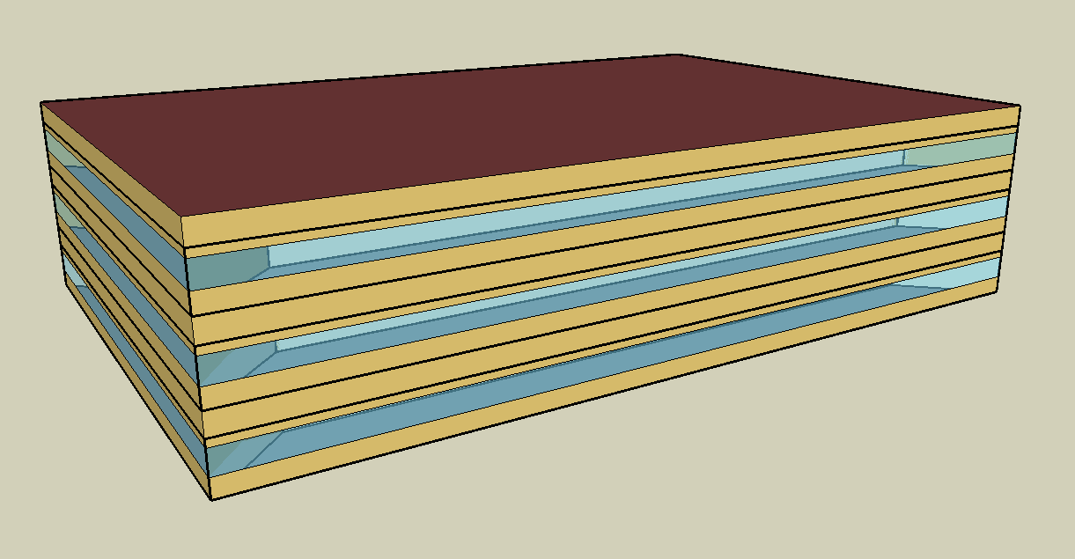
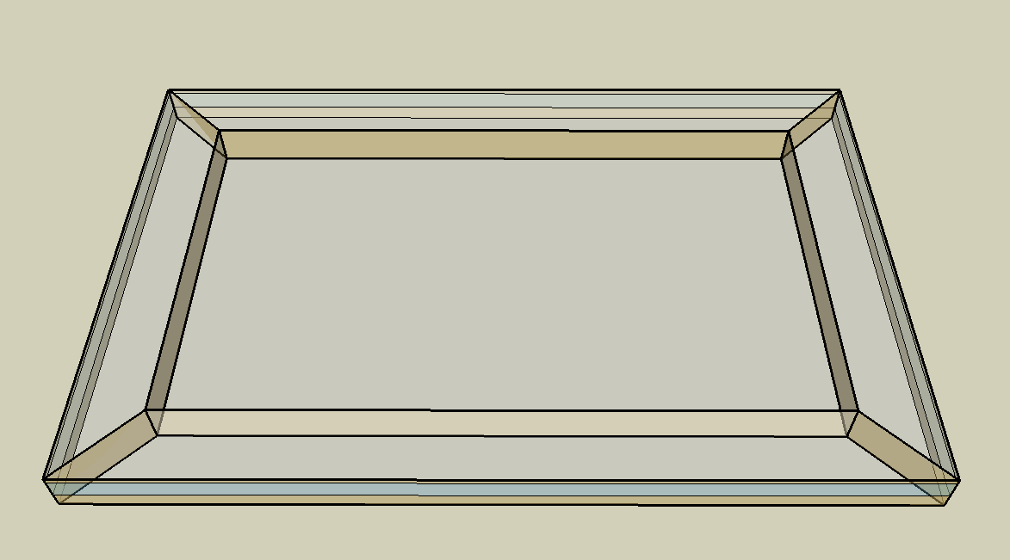
DOE Commercial Building Benchmark - Medium Office

Electricity
 | Cooling | Interior Lighting | Exterior Lighting | Interior Equipment | Fans | Pumps
Miami | 301,736.11 | 264,338.89 | 77,844.44 | 296,255.56 | 204,141.67 | 75.00
Houston | 230,636.11 | 264,338.89 | 77,813.89 | 296,255.56 | 201,133.33 | 75.00
Phoenix | 305,011.11 | 264,338.89 | 77,800.00 | 296,255.56 | 235,619.44 | 75.00
Atlanta | 163,450.00 | 264,338.89 | 77,786.11 | 296,255.56 | 218,597.22 | 75.00
Los Angeles | 54,647.22 | 264,338.89 | 77,727.78 | 296,255.56 | 171,313.89 | 75.00
Las Vegas | 230,033.33 | 264,338.89 | 77,708.33 | 296,255.56 | 227,494.44 | 75.00
San Francisco | 18,325.00 | 264,338.89 | 77,750.00 | 296,255.56 | 139,966.67 | 75.00
Baltimore | 122,377.78 | 264,338.89 | 77,702.78 | 296,255.56 | 201,122.22 | 75.00
Albuquerque | 108,294.44 | 264,338.89 | 77,733.33 | 296,255.56 | 226,022.22 | 75.00
Seattle | 20,133.33 | 264,338.89 | 77,577.78 | 296,255.56 | 174,811.11 | 75.00
Chicago | 70,130.56 | 264,338.89 | 77,716.67 | 296,255.56 | 178,850.00 | 75.00
Boulder | 61,588.89 | 264,338.89 | 77,672.22 | 296,255.56 | 198,047.22 | 75.00
Minneapolis | 59,969.44 | 264,338.89 | 77,663.89 | 296,255.56 | 172,372.22 | 75.00
Helena | 36,013.89 | 264,338.89 | 77,647.22 | 296,255.56 | 202,691.67 | 75.00
Duluth | 26,550.00 | 264,338.89 | 77,602.78 | 296,255.56 | 161,377.78 | 75.00
Fairbanks | 18,738.89 | 264,338.89 | 77,127.78 | 296,255.56 | 207,522.22 | 75.00

Gas
 | Heating | Water Systems
Miami | 2,020.00 | 22,720.00
Houston | 99,670.00 | 26,650.00
Phoenix | 39,100.00 | 24,380.00
Atlanta | 245,750.00 | 30,450.00
Los Angeles | 16,850.00 | 29,720.00
Las Vegas | 80,810.00 | 27,110.00
San Francisco | 96,970.00 | 32,970.00
Baltimore | 543,600.00 | 33,440.00
Albuquerque | 262,370.00 | 32,870.00
Seattle | 412,210.00 | 35,000.00
Chicago | 801,410.00 | 36,060.00
Boulder | 468,670.00 | 35,920.00
Minneapolis | 1,265,780.00 | 38,330.00
Helena | 850,570.00 | 38,740.00
Duluth | 1,662,340.00 | 42,060.00
Fairbanks | 3,190,850.00 | 46,580.00

EUI
 | Cooling (elec) | Interior Lighting (elec) | Exterior Lighting (elec) | Interior Equipment (elec) | Fans (elec) | Pumps (elec) | Heating (gas) | Water Systems (gas)
Miami | 218.03 | 191.00 | 56.25 | 214.07 | 147.51 | 0.05 | 0.41 | 4.56
Houston | 166.65 | 191.00 | 56.23 | 214.07 | 145.33 | 0.05 | 20.01 | 5.35
Phoenix | 220.39 | 191.00 | 56.22 | 214.07 | 170.25 | 0.05 | 7.85 | 4.89
Atlanta | 118.10 | 191.00 | 56.21 | 214.07 | 157.95 | 0.05 | 49.33 | 6.11
Los Angeles | 39.49 | 191.00 | 56.16 | 214.07 | 123.79 | 0.05 | 3.38 | 5.97
Las Vegas | 166.22 | 191.00 | 56.15 | 214.07 | 164.38 | 0.05 | 16.22 | 5.44
San Francisco | 13.24 | 191.00 | 56.18 | 214.07 | 101.14 | 0.05 | 19.46 | 6.62
Baltimore | 88.43 | 191.00 | 56.15 | 214.07 | 145.33 | 0.05 | 109.11 | 6.71
Albuquerque | 78.25 | 191.00 | 56.17 | 214.07 | 163.32 | 0.05 | 52.66 | 6.60
Seattle | 14.55 | 191.00 | 56.06 | 214.07 | 126.31 | 0.05 | 82.74 | 7.03
Chicago | 50.67 | 191.00 | 56.16 | 214.07 | 129.23 | 0.05 | 160.85 | 7.24
Boulder | 44.50 | 191.00 | 56.12 | 214.07 | 143.10 | 0.05 | 94.07 | 7.21
Minneapolis | 43.33 | 191.00 | 56.12 | 214.07 | 124.55 | 0.05 | 254.06 | 7.69
Helena | 26.02 | 191.00 | 56.11 | 214.07 | 146.46 | 0.05 | 170.72 | 7.78
Duluth | 19.18 | 191.00 | 56.07 | 214.07 | 116.61 | 0.05 | 333.66 | 8.44
Fairbanks | 13.54 | 191.00 | 55.73 | 214.07 | 149.95 | 0.05 | 640.45 | 9.35

Water
 | Total Building | Water for Electricity (m3)
Miami | 174.59 | 606.25
Houston | 174.59 | 1,741.43
Phoenix | 174.59 | 35,024.40
Atlanta | 174.59 | 6,371.60
Los Angeles | 174.59 | 15,176.20
Las Vegas | 174.59 | 30,065.10
San Francisco | 174.59 | 13,988.50
Baltimore | 174.59 | 218.38
Albuquerque | 174.59 | 4,416.92
Seattle | 174.59 | 8,512.55
Chicago | 174.59 | 1,376.69
Boulder | 174.59 | 4,077.53
Minneapolis | 174.59 | 1,350.80
Helena | 174.59 | 55,554.20
Duluth | 174.59 | 1,281.80
Fairbanks | 174.59 | 882.79

Carbon
 | Carbon Equivalent (kg)
Miami | 314,294.20
Houston | 359,272.26
Phoenix | 357,085.67
Atlanta | 319,332.15
Los Angeles | 101,853.64
Las Vegas | 371,567.51
San Francisco | 95,451.37
Baltimore | 269,971.52
Albuquerque | 402,677.27
Seattle | 68,749.14
Chicago | 488,200.09
Boulder | 375,920.63
Minneapolis | 321,542.67
Helena | 336,532.92
Duluth | 313,536.87
Fairbanks | 301,513.71

LghtSch
Lighting Schedules
 | Weekday | Saturday | Other
 | 0.05 | 0.05 | 0
 | 0.05 | 0.05 | 0
 | 0.05 | 0.05 | 0
 | 0.05 | 0.05 | 0
 | 0.05 | 0.05 | 0
 | 0.1 | 0.05 | 0
 | 0.1 | 0.1 | 0
 | 0.3 | 0.1 | 0
 | 0.9 | 0.5 | 0
 | 0.9 | 0.5 | 0
 | 0.9 | 0.5 | 0
 | 0.9 | 0.5 | 0
 | 0.9 | 0.5 | 0
 | 0.9 | 0.5 | 0
 | 0.9 | 0.15 | 0
 | 0.9 | 0.15 | 0
 | 0.9 | 0.15 | 0
 | 0.7 | 0.05 | 0
 | 0.5 | 0.05 | 0
 | 0.5 | 0.05 | 0
 | 0.3 | 0.05 | 0
 | 0.3 | 0.05 | 0
 | 0.1 | 0.05 | 0
 | 0.05 | 0.05 | 0

EqpSch
Equipment Schedules
 | Weekday | Saturday | Other
 | 0.4 | 0.3 | 0.3
 | 0.4 | 0.3 | 0.3
 | 0.4 | 0.3 | 0.3
 | 0.4 | 0.3 | 0.3
 | 0.4 | 0.3 | 0.3
 | 0.4 | 0.3 | 0.3
 | 0.4 | 0.4 | 0.3
 | 0.4 | 0.4 | 0.3
 | 0.9 | 0.5 | 0.3
 | 0.9 | 0.5 | 0.3
 | 0.9 | 0.5 | 0.3
 | 0.9 | 0.5 | 0.3
 | 0.8 | 0.5 | 0.3
 | 0.9 | 0.5 | 0.3
 | 0.9 | 0.35 | 0.3
 | 0.9 | 0.35 | 0.3
 | 0.9 | 0.35 | 0.3
 | 0.8 | 0.3 | 0.3
 | 0.6 | 0.3 | 0.3
 | 0.6 | 0.3 | 0.3
 | 0.5 | 0.3 | 0.3
 | 0.5 | 0.3 | 0.3
 | 0.4 | 0.3 | 0.3
 | 0.4 | 0.3 | 0.3

OccSch
Occupancy Schedules
 | Weekday | Saturday | Other
 | 0 | 0 | 0
 | 0 | 0 | 0
 | 0 | 0 | 0
 | 0 | 0 | 0
 | 0 | 0 | 0
 | 0 | 0 | 0
 | 0.1 | 0.1 | 0
 | 0.2 | 0.1 | 0
 | 0.95 | 0.5 | 0
 | 0.95 | 0.5 | 0
 | 0.95 | 0.5 | 0
 | 0.95 | 0.5 | 0
 | 0.5 | 0.5 | 0
 | 0.95 | 0.5 | 0
 | 0.95 | 0.1 | 0
 | 0.95 | 0.1 | 0
 | 0.95 | 0.1 | 0
 | 0.7 | 0 | 0
 | 0.4 | 0 | 0
 | 0.4 | 0 | 0
 | 0.1 | 0 | 0
 | 0.1 | 0 | 0
 | 0.05 | 0 | 0
 | 0.05 | 0 | 0

HeatSch
Heating Set Point Schedules
 | Weekday | Saturday | Sat, WinterDesign
 | 0 | 12.8 | 0.05
 | 0 | 12.8 | 0.05
 | 0 | 12.8 | 0.05
 | 0 | 12.8 | 0.05
 | 0 | 12.8 | 0.05
 | 0 | 12.8 | 0.08
 | 0 | 12.8 | 0.07
 | 1 | 12.8 | 0.11
 | 1 | 12.8 | 0.15
 | 1 | 12.8 | 0.21
 | 1 | 12.8 | 0.19
 | 1 | 12.8 | 0.23
 | 1 | 12.8 | 0.2
 | 1 | 12.8 | 0.19
 | 1 | 12.8 | 0.15
 | 1 | 12.8 | 0.13
 | 1 | 12.8 | 0.14
 | 1 | 12.8 | 0.07
 | 0 | 12.8 | 0.07
 | 0 | 12.8 | 0.07
 | 0 | 12.8 | 0.07
 | 0 | 12.8 | 0.09
 | 0 | 12.8 | 0.05
 | 0 | 12.8 | 0.05

CoolSch
Cooling Set Point Schedules
 | Weekday | Saturday | Other
 | 26.7 | 26.7 | 26.7
 | 26.7 | 26.7 | 26.7
 | 26.7 | 26.7 | 26.7
 | 26.7 | 26.7 | 26.7
 | 26.7 | 26.7 | 26.7
 | 26.7 | 26.7 | 26.7
 | 24 | 24 | 26.7
 | 24 | 24 | 26.7
 | 24 | 24 | 26.7
 | 24 | 24 | 26.7
 | 24 | 24 | 26.7
 | 24 | 24 | 26.7
 | 24 | 24 | 26.7
 | 24 | 24 | 26.7
 | 24 | 24 | 26.7
 | 24 | 24 | 26.7
 | 24 | 24 | 26.7
 | 24 | 24 | 26.7
 | 24 | 26.7 | 26.7
 | 24 | 26.7 | 26.7
 | 24 | 26.7 | 26.7
 | 24 | 26.7 | 26.7
 | 26.7 | 26.7 | 26.7
 | 26.7 | 26.7 | 26.7

